Fig S1
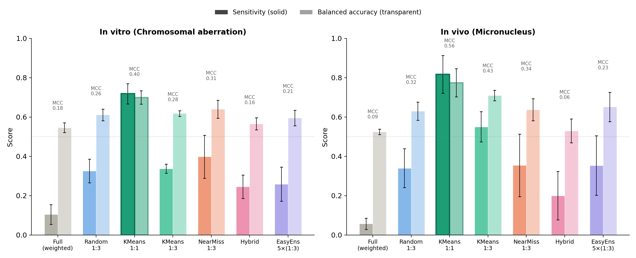
Fig S1. Performance comparison

Fig S2
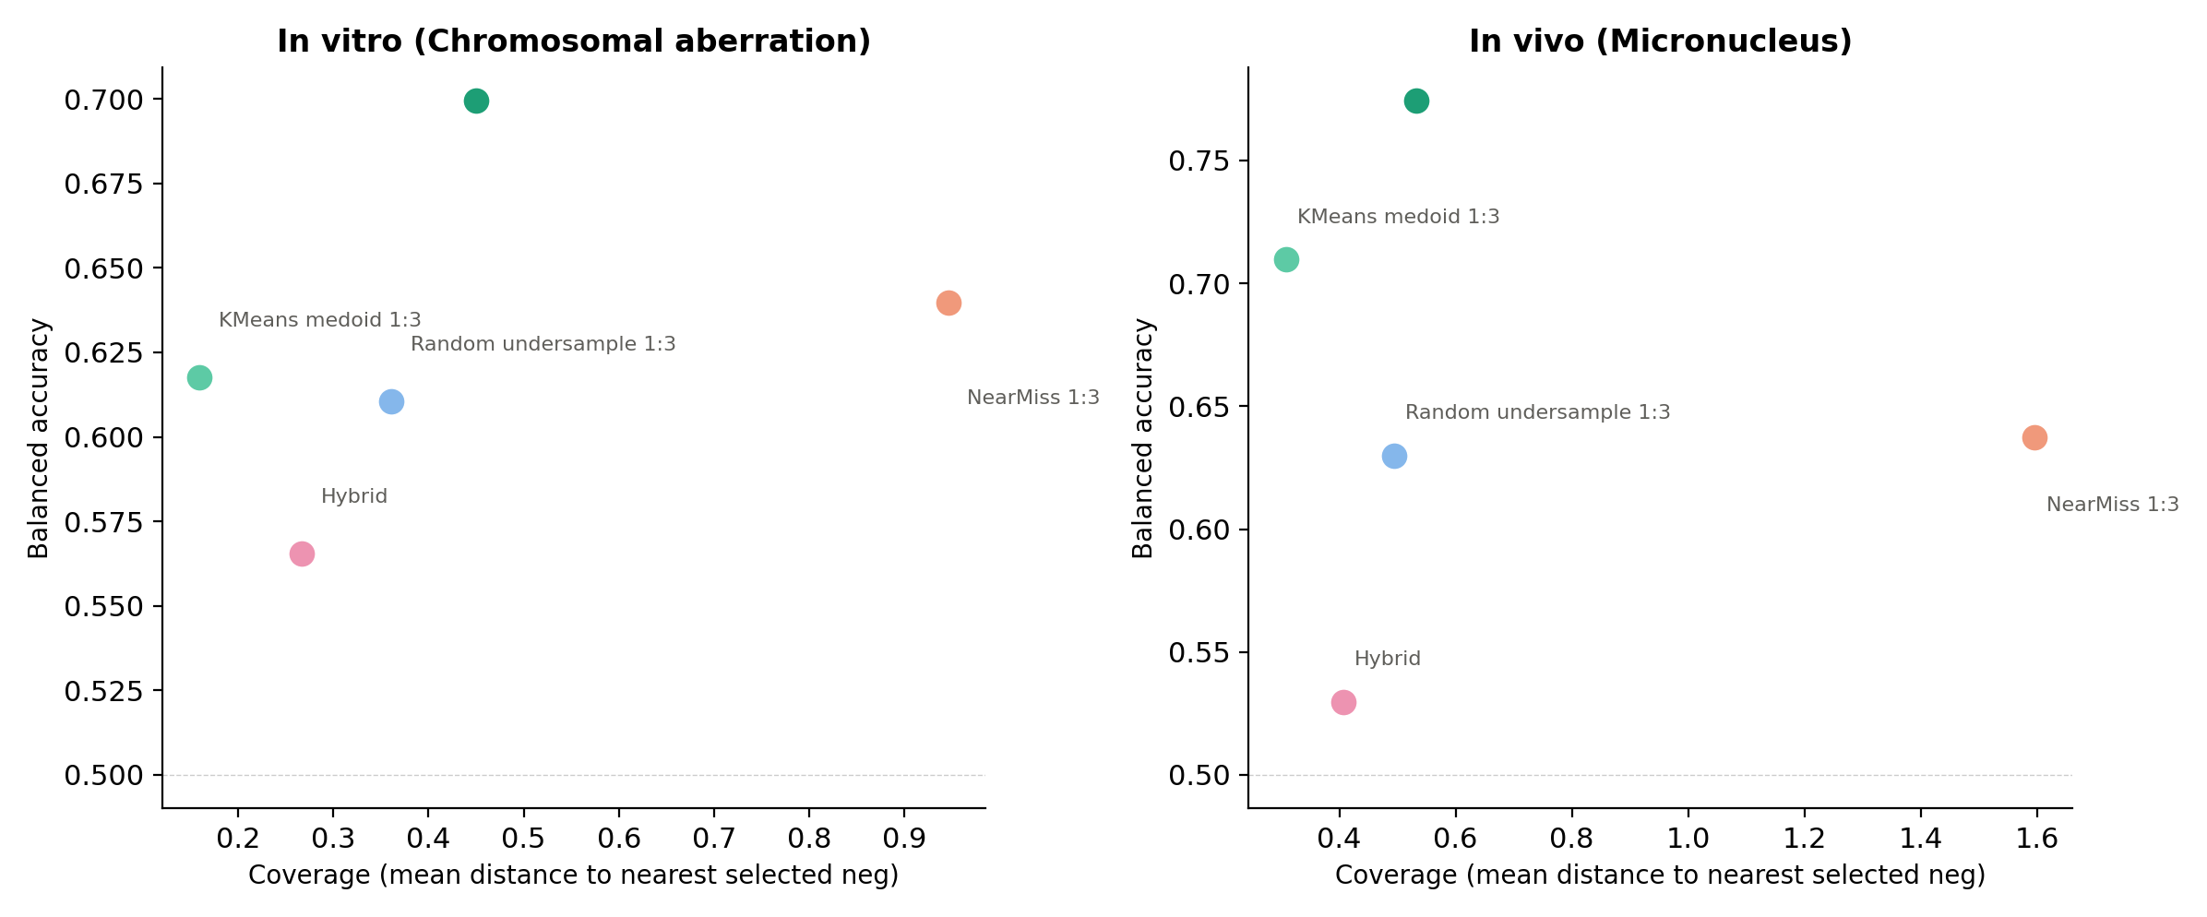
Fig S2. Coverage vs performance

Fig S3
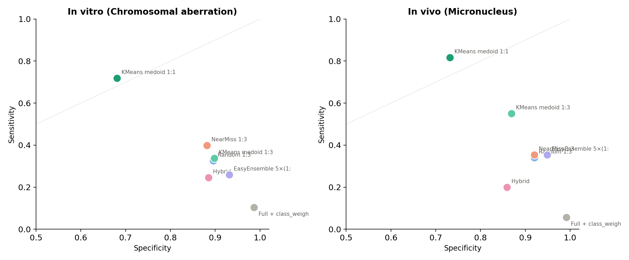
Fig S3. Sensitivity vs specificity

Fig S4
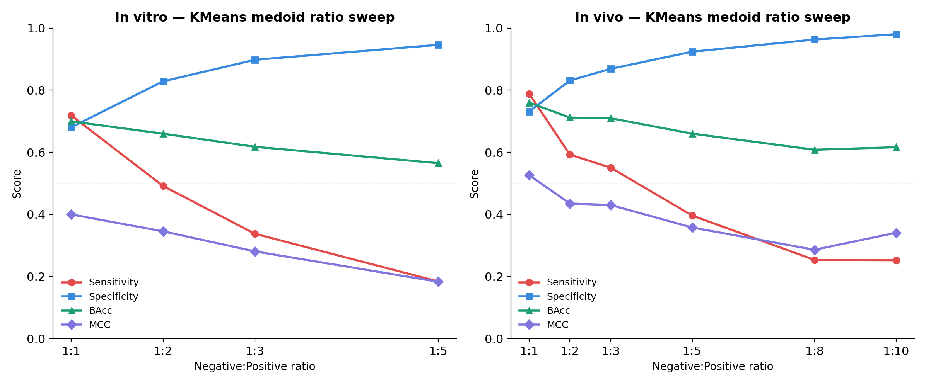
Fig S4. KMeans ratio sweep

